Table of Contents
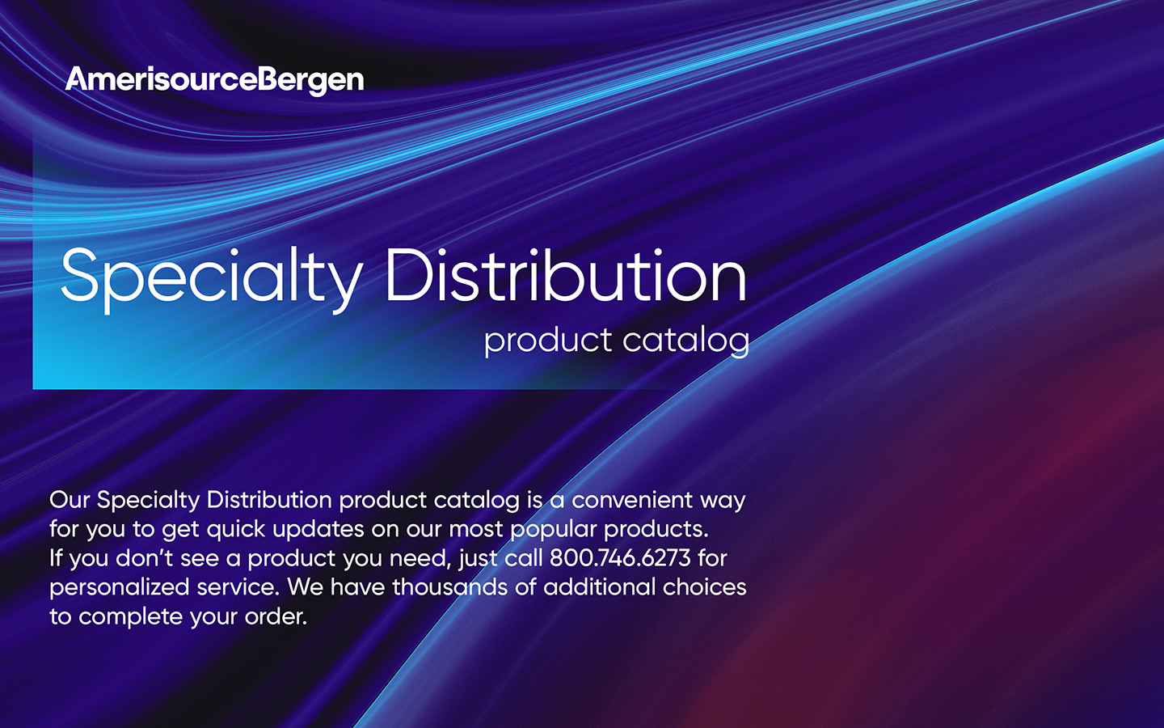

Specialty | View Specialty products >

Specialty/Biosurgery products

COVID-19 therapies | View COVID-19 therapies >

Oncology | View Oncology products >

Oncology/Supportive care

Biosimilars | View Biosimilars products >

Insulin analog and fast acting
Oncology
Supportive care
TNF blocker

Flu vaccines | View Flu vaccines >

Plasma derivatives | View Plasma derivatives >

Albumin
Antihemophilic
Immunologic
Hyper-immune globulin

Women’s health | View Women’s health products >

Intrauterine devices
Contraceptives
Vaccines
Hyper-immune globulin
Primary care
Medical/surgical supplies

Nephrology | View Nephrology products >

Nephrology Rx
Medical/surgical supplies

